Sales data
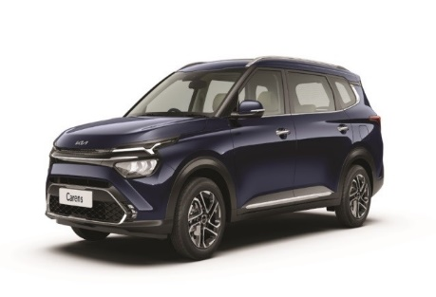
Exchange Channel | MYKIA | MYKIA Register Date | MYKIA VIN Link Date | Feedback Rating | Feedback Date | image
 | Yes | 12/04/2022 | 12/04/2022 | 3.2 | 15/04/2022
 | Yes | 03/05/2022 | 03/05/2022 | 3.5 | 04/05/2022
Others | Yes | 15/04/2022 | 15/04/2022 | 3.5 | 16/04/2022
 | Yes | 13/04/2022 | 06/05/2022 | 2.7 | 25/05/2022
Others | Yes | 22/10/2022 | 22/10/2022 | 3.5 | 26/04/2022
 | Yes | 20/04/2022 | 20/04/2022
Others | Yes | 03/05/2022 | 03/05/2022 | 3.5 | 07/05/2022
 | Yes | 29/04/2022 | 29/04/2022 | 3.2 | 30/04/2022
 | Yes | 21/04/2022 | 21/04/2022
Others | Yes | 25/04/2022 | 25/04/2022 | 3 | 28/04/2022
Others | Yes | 26/04/2022 | 26/04/2022
 | Yes | 12/04/2022 | 12/04/2022 | 3.5 | 13/04/2022
 | Yes | 15/04/2022 | 15/04/2022
 | Yes | 06/04/2022 | 06/04/2022
Others | Yes | 31/03/2022 | 29/04/2022 | 3.5 | 30/04/2022
 | Yes | 07/04/2022 | 07/04/2022 | 3.5 | 08/04/2022
 | Yes | 14/04/2022 | 14/04/2022 | 3.5 | 21/04/2022
...

